Sheet1
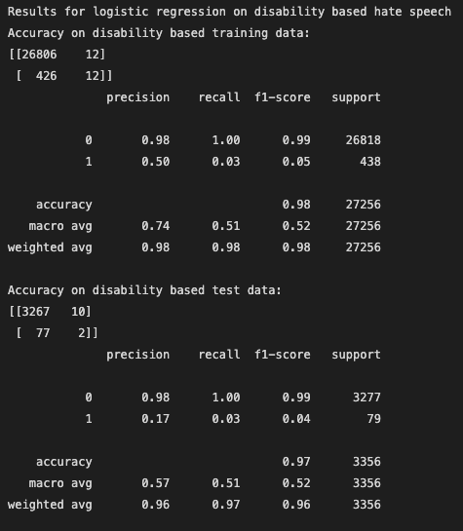
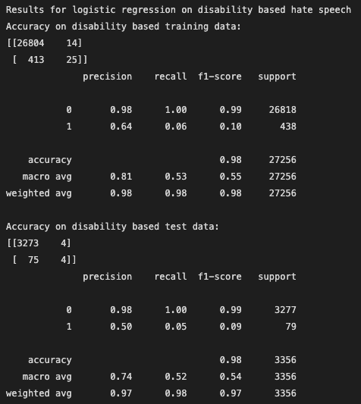
14.166666667 |  |  |  | 876 | 976
50857 |  |  |  | 900 | 1368 | 0.60317460317 | 0.58361774744
847.61666667

 |  | Training data |  | Test data |  |  | 11220 | 3964 | 15184 | 0.73893572181
 |  | Precision on 1 | Recall on 1 | Precision on 1 | Recall on 1 |  | 3305 | 14435 | 17740 | 0.81369785795
 | Logistic regression on overall hate speech: | 0.78 | 0.81 | 0.64 | 0.65 |  | 14525 | 18399
 | Random forest on overall hate speech with 100 trees | 0.99 | 1 | 0.58 | 0.6 |  | 0.77246127367 | 0.78455350834
 | Adaboostclassifer and decision tree classifer | 0.76 | 0.5 | 0.69 | 0.44
 | MLP classifier with 10,5 and relu and adam, max iter 500 | 1 | 0.88 | 0.61 | 0.52 |  |  | Precision on 1 | Recall on 1 | Precision on 1 | Recall on 1
 | MLP classifier with 10,5 and identity and adam, max iter 500 | 0.94 | 0.95 | 0.56 | 0.54 |  | Logistic regression on overall hate speech: | 0.78 | 0.81 | 0.64 | 0.65
 | MLP classifier with 10,5 and logistic and adam, max iter 500 | 0.95 | 0.97 | 0.58 | 0.58 |  | then including upper and lower case words | 0.78 | 0.82 | 0.62 | 0.64
 | MLP classifier with 10,5 and tanh and adam, max iter 500 | 0.98 | 0.96 | 0.61 | 0.54 |  | with ascii strippin | 0.78 | 0.82 | 0.64 | 0.65
 | MLP classifier with 10,5 and logistic and sgd, max iter 500 | 0.54 | 1 | 0.55 | 1 |  | with unicode | 0.78 | 0.81 | 0.64 | 0.65
 | MLP classifier with 10,5 and logistic and adam, max iter 500 | 0.95 | 0.97 | 0.58 | 0.58 |  | character analyser | 0.59 | 0.73 | 0.57 | 0.7
 | MLP classifier with 10,5 and logistic and adam with constant learning rate, max iter 500 | 0.94 | 0.96 | 0.58 | 0.56 |  | char_wb | 0.59 | 0.73 | 0.57 | 0.72
 | MLP classifier with 10,5 and logistic and adam with invscaling learning rate, max iter 500 | 0.95 | 0.95 | 0.58 | 0.54 |  | char_wb and lowercase=false | 0.59 | 0.73 | 0.58 | 0.7
 | MLP classifier with 10,5 and logistic and adam with adaptive learning rate, max iter 500 | 0.94 | 0.96 | 0.58 | 0.55 |  | char_wb and lowercase=false and unicode | 0.59 | 0.73 | 0.58 | 0.7
 | MLP classifier with 10,100 and logistic and adam, max iter 500 | 0.54 | 1 | 0.55 | 1 |  | char_wb with ngrams 1 to 2 | 0.66 | 0.74 | 0.62 | 0.68
 | MLP classifier with 100 and logistic and adam, max iter 500 | 0.8 | 0.82 | 0.64 | 0.64 |  | char_wb with ngrams 1 to 3 | 0.73 | 0.78 | 0.66 | 0.69
 | MLP classifier with 100,10 and logistic and adam, max iter 500 | 0.88 | 0.92 | 0.58 | 0.6 |  | char_wb with ngrams 1 to 4 | 0.76 | 0.8 | 0.68 | 0.7
 | MLP classifier with 100,100,10 and logistic and adam, max iter 500 | 0.54 | 1 | 0.55 | 1 |  | char_wb with ngrams 1 to 5 | 0.77 | 0.81 | 0.67 | 0.7
 | MLP classifier with 10,100,100 and logistic and adam, max iter 500 | 0.54 | 1 | 0.55 | 1 |  | char_wb with ngrams 1 to 6 | 0.78 | 0.82 | 0.67 | 0.69
 | MLP classifier with 10 and logistic and adam, max iter 500 | 0.81 | 0.82 | 0.63 | 0.62 |  | char with ngrams 1 to 4 | 0.77 | 0.081 | 0.66 | 0.68
 | MLP classifier with 100,10,100 and logistic and adam, max iter 500 | 0.54 | 1 | 0.55 | 1 |  | char_wb with ngrams 2-4 | 0.77 | 0.81 | 0.68 | 0.69
 | MLP classifier with 10,10 and logistic and adam, max iter 500 | 0.54 | 1 | 0.55 | 1 |  | char_wb with ngrams 3-4 | 0.78 | 0.91 | 0.67 | 0.69
 | MLP classifier with 50 and logistic and adam, max iter 500 | 0.77 | 0.86 | 0.63 | 0.69 |  | MLP classifier with logistic and adam and 50 hidden layers | 1 | 0.99 | 0.64 | 0.6
 | MLP classifier with 25 and logistic and adam, max iter 500 | 0.79 | 0.84 | 0.63 | 0.66 |  | So on the specific hate speech - some the characters perform better and some worse
 | MLP classifier with 25,25 and logistic and adam, max iter 500 | 0.88 | 0.93 | 0.58 | 0.59 |  | word based religion |  | 1-4 character based
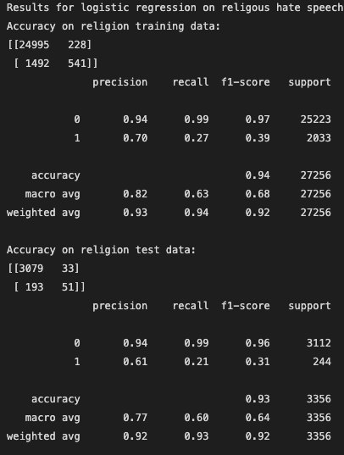
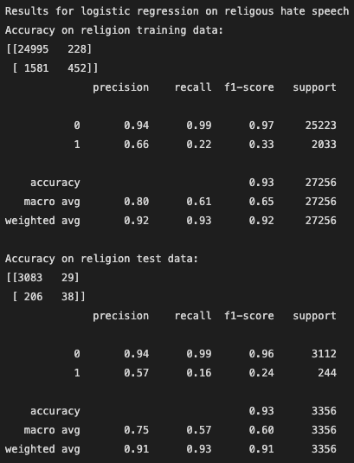
 | MLP classifier with 50 and logistic and adam, max iter 300 | 0.92 | 0.92 | 0.62 | 0.6
 | MLP classifier with 40 and logistic and adam, max iter 500

 | Random forest on overall hate speech with 100 trees on char_wb | 0.99 | 1 | 0.53 | 0.6
 | Random forest on overall hate speech with 50 trees on char_wb | 1 | 1 | 0.54 | 0.56
 | Random forest on overall hate speech with 50 trees on char_wb and max features log2
 | Random forest on overall hate speech with 1000 trees on char_wb | 1 | 1 | 0.52 | 0.58
 | Random forest on overall hate speech with 10 trees on char_wb | 0.99 | 0.98 | 0.57 | 0.5
 | Random forest on overall hate speech with 20 trees on char_wb | 1 | 1 | 0.55 | 0.54
 | Random forest on overall hate speech with 30 trees on char_wb | 1 | 1 | 0.55 | 0.56
 | Random forest on overall hate speech with 40 trees on char_wb | 1 | 1 | 0.54 | 0.57
 | Random forest on overall hate speech with 35 trees on char_wb | 1 | 1 | 0.54 | 0.6

 | 38404 |  | 99000
 | 9527 |  | 20500
 | 55249.12 |  | 119500
 | 7697 |  | 8622.88 |  |  |  | word based ethnicity
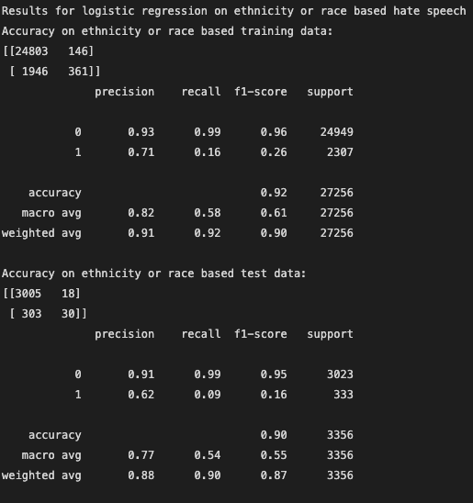
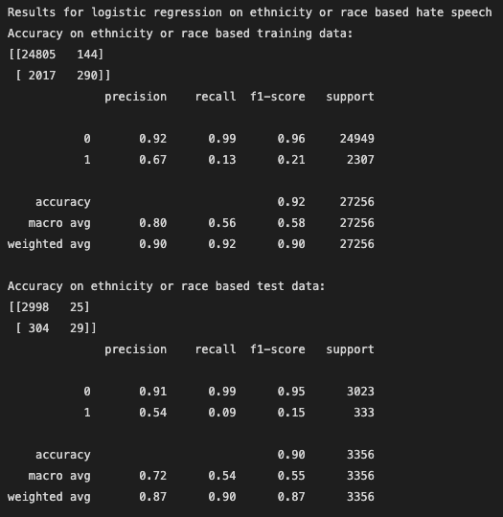
 | 110877.12 | Total

 |  |  |  |  |  |  | gender and words
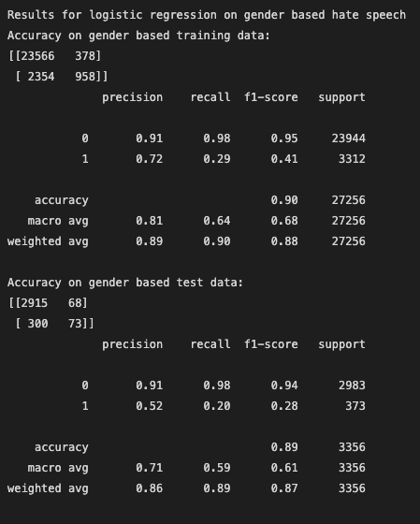
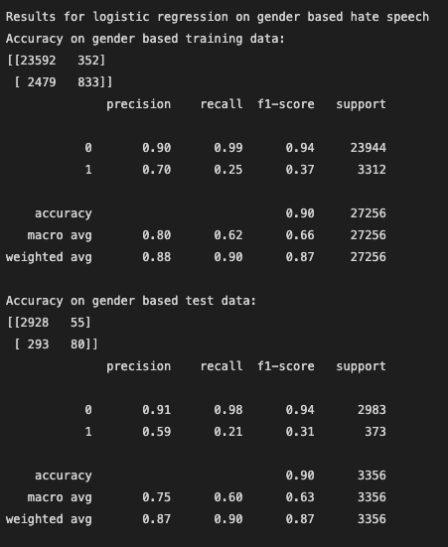

 |  |  |  |  |  |  | sexuality and words
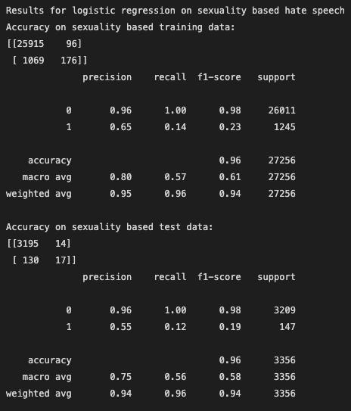
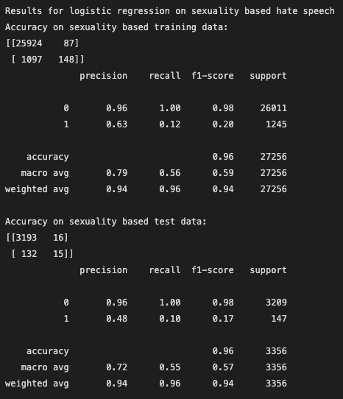

 |  |  |  |  |  |  | immigration and words
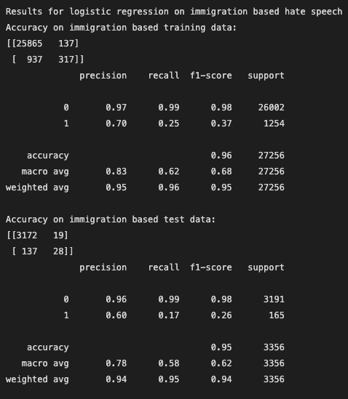
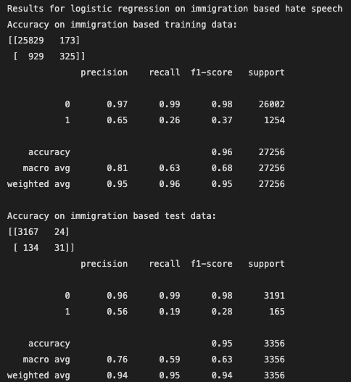

 |  |  |  |  |  |  | disability and words

